Croc Plot Snepco
NOTE: Croc Plot items are over and above the LE and should show further overspend or underspend above LE to enable credible Cash CAPEX LE for a potential Upstream COG MA submission.

Please provide with Risks and Opportunities data acording to categories below, input for Unrisked value and probability required:

NOT REQUIRED FOR Q4
Increase (Positive Values) |  | $mln SS | Probability | Unrisked Value | Narrative | Guide/Instruction
Out of Plan Options and Acceleration Potential | 0 | 0
Potential Cost Overruns |  | 0 |  |  |  | Include overrun that would result in overspend above LE. E.g fuel price increases, contracts escalations

Decrease (Negative Values)
Unrisked PIP Funnel |  | 0 |  |  |  | Only include savings that could reduce FYLE. Time dependent savings may accelerate scope in case of continuous sequence, not necessarily reducing overall spend
Risked PIP Funnel |  | 0
In Plan Options and Slippage Risks | 0 | 0
Contingency | 0 | 0 |  |  |  | Similar to savings, only include contingency release that would reduce FYLE

Net Position |  | 0 |  |  | $mln Shell Share

Croc Plot
Out of Plan Options and Acceleration Potential | 0 | 0
Potential Cost Overruns |  | 0
Unrisked PIP Funnel |  | 0
Risked PIP Funnel |  | 0
In Plan Options and Slippage Risks | 0 | 0
Contingency | 0 | 0

Croc Plot SPDC
NOTE: Croc Plot items are over and above the LE and should show further overspend or underspend above LE to enable credible Cash CAPEX LE for a potential Upstream COG MA submission.

Please provide with Risks and Opportunities data acording to categories below, input for Unrisked value and probability required:

NOT REQUIRED FOR Q4
Increase (Positive Values) |  | $mln SS | Probability | Unrisked Value | Narrative | Guide/Instruction
Out of Plan Options and Acceleration Potential | 0 | 0
Potential Cost Overruns |  | 0 |  |  |  | Include overrun that would result in overspend above LE. E.g fuel price increases, contracts escalations

Decrease (Negative Values)
Unrisked PIP Funnel |  | 0 |  |  |  | Only include savings that could reduce FYLE. Time dependent savings may accelerate scope in case of continuous sequence, not necessarily reducing overall spend
Risked PIP Funnel |  | 0
In Plan Options and Slippage Risks | 0 | 0
Contingency | 0 | 0 |  |  |  | Similar to savings, only include contingency release that would reduce FYLE

Net Position |  | 0 |  |  | $mln Shell Share

Croc Plot
Out of Plan Options and Acceleration Potential | 0 | 0
Potential Cost Overruns |  | 0
Unrisked PIP Funnel |  | 0
Risked PIP Funnel |  | 0
In Plan Options and Slippage Risks | 0 | 0
Contingency | 0 | 0

Rig Sequence SPDC
 Insert Sequence here

Rig Sequence SNEPCo
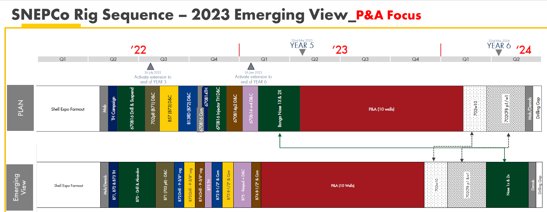 Insert Sequence here

